Result5
2025.08.04 FW WYCENA 1035SUR082025-S235-1,5-Nitrogen(6) - Result5
Cut Plan
Material | Thickness(mm) | Plate Size(mm*mm) |  | Nested Plate Size(mm*mm) |  | Cut number: | Cut time per piece | Part Qty
S235 | 1.50 | 1367.60 * 1281.20 |  | 1351.60 * 1265.20 |  | 1 | 1min47s | 3
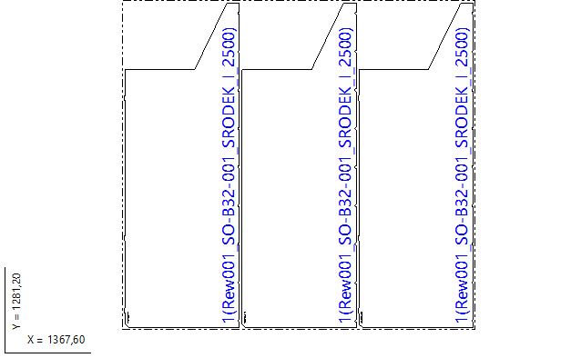

Part List
ID | Thumbnail | Part Name | Part Size(mm*mm) | Qty | Cut Length(m) | Marking length(m) | Defilm Length(m)
317836 |  | Rew001_SO-B32-001_SRODEK_I_2500 | 1265.00 * 445.00 | 3 / 48 | 3.39 | 0.12 | 0

Result1
2025.08.04 FW WYCENA 1035SUR082025-S235-1,5-Nitrogen(6) - Result1
Cut Plan
Material | Thickness(mm) | Plate Size(mm*mm) |  | Nested Plate Size(mm*mm) |  | Cut number: | Cut time per piece | Part Qty
S235 | 1.50 | 1500.00 * 3000.00 |  | 1453.60 * 2984.00 |  | 1 | 13min35s | 23
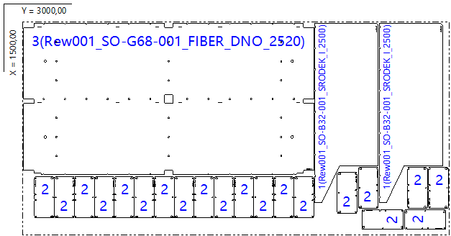

Part List
ID | Thumbnail | Part Name | Part Size(mm*mm) | Qty | Cut Length(m) | Marking length(m) | Defilm Length(m)
317836 |  | Rew001_SO-B32-001_SRODEK_I_2500 | 1265.00 * 445.00 | 2 / 48 | 3.39 | 0.12 | 0
317876 |  | Rew001_SO-036-002_KANAL_SCIANA_OKNO_ZASLEPKA | 290.00 * 140.00 | 20 / 48 | 1.04 | 0.11 | 0
317877 |  | Rew001_SO-G68-001_FIBER_DNO_2520 | 2038.00 * 1068.00 | 1 / 12 | 8.78 | 0.12 | 0

Result2
2025.08.04 FW WYCENA 1035SUR082025-S235-1,5-Nitrogen(6) - Result2
Cut Plan
Material | Thickness(mm) | Plate Size(mm*mm) |  | Nested Plate Size(mm*mm) |  | Cut number: | Cut time per piece | Part Qty
S235 | 1.50 | 1500.00 * 3000.00 |  | 1371.83 * 2960.58 |  | 1 | 8min43s | 12
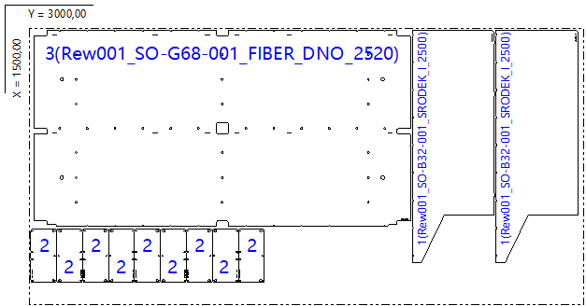

Part List
ID | Thumbnail | Part Name | Part Size(mm*mm) | Qty | Cut Length(m) | Marking length(m) | Defilm Length(m)
317836 |  | Rew001_SO-B32-001_SRODEK_I_2500 | 1265.00 * 445.00 | 2 / 48 | 3.39 | 0.12 | 0
317876 |  | Rew001_SO-036-002_KANAL_SCIANA_OKNO_ZASLEPKA | 290.00 * 140.00 | 9 / 48 | 1.04 | 0.11 | 0
317877 |  | Rew001_SO-G68-001_FIBER_DNO_2520 | 2038.00 * 1068.00 | 1 / 12 | 8.78 | 0.12 | 0

Result3
2025.08.04 FW WYCENA 1035SUR082025-S235-1,5-Nitrogen(6) - Result3
Cut Plan
Material | Thickness(mm) | Plate Size(mm*mm) |  | Nested Plate Size(mm*mm) |  | Cut number: | Cut time per piece | Part Qty
S235 | 1.50 | 1500.00 * 3000.00 |  | 1265.20 * 2944.60 |  | 9 | 3min59s | 3
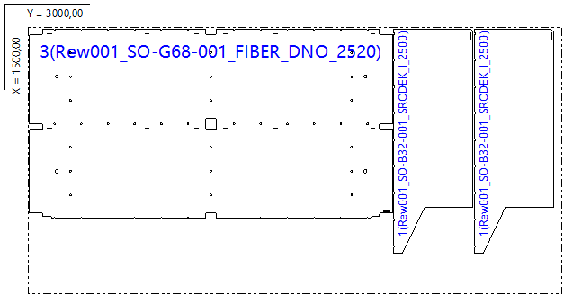

Part List
ID | Thumbnail | Part Name | Part Size(mm*mm) | Qty | Cut Length(m) | Marking length(m) | Defilm Length(m)
317836 |  | Rew001_SO-B32-001_SRODEK_I_2500 | 1265.00 * 445.00 | 2 / 48 | 3.39 | 0.12 | 0
317877 |  | Rew001_SO-G68-001_FIBER_DNO_2520 | 2038.00 * 1068.00 | 1 / 12 | 8.78 | 0.12 | 0

Result4
2025.08.04 FW WYCENA 1035SUR082025-S235-1,5-Nitrogen(6) - Result4
Cut Plan
Material | Thickness(mm) | Plate Size(mm*mm) |  | Nested Plate Size(mm*mm) |  | Cut number: | Cut time per piece | Part Qty
S235 | 1.50 | 1500.00 * 3000.00 |  | 1351.60 * 2733.60 |  | 3 | 4min25s | 7
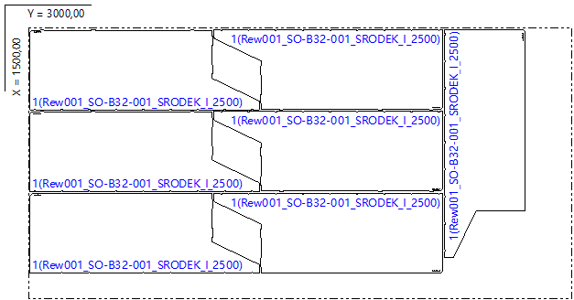

Part List
ID | Thumbnail | Part Name | Part Size(mm*mm) | Qty | Cut Length(m) | Marking length(m) | Defilm Length(m)
317836 |  | Rew001_SO-B32-001_SRODEK_I_2500 | 1265.00 * 445.00 | 7 / 48 | 3.39 | 0.12 | 0

Result1(1)
2025.08.04 FW WYCENA 1035SUR082025-S235-1,5-Nitrogen(6) - Result1(1)
Cut Plan
Material | Thickness(mm) | Plate Size(mm*mm) |  | Nested Plate Size(mm*mm) |  | Cut number: | Cut time per piece | Part Qty
S235 | 1.50 | 1500.00 * 3000.00 |  | 1484.00 * 2960.76 |  | 1 | 13min08s | 22
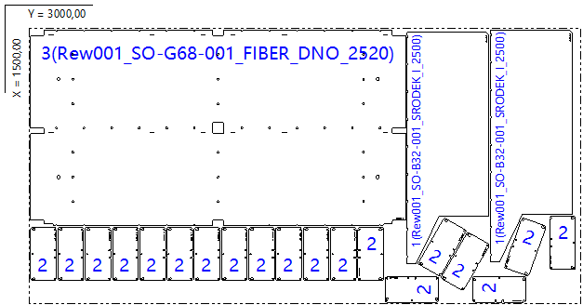

Part List
ID | Thumbnail | Part Name | Part Size(mm*mm) | Qty | Cut Length(m) | Marking length(m) | Defilm Length(m)
317836 |  | Rew001_SO-B32-001_SRODEK_I_2500 | 1265.00 * 445.00 | 2 / 48 | 3.39 | 0.12 | 0
317876 |  | Rew001_SO-036-002_KANAL_SCIANA_OKNO_ZASLEPKA | 290.00 * 140.00 | 19 / 48 | 1.04 | 0.11 | 0
317877 |  | Rew001_SO-G68-001_FIBER_DNO_2520 | 2038.00 * 1068.00 | 1 / 12 | 8.78 | 0.12 | 0

